Bending
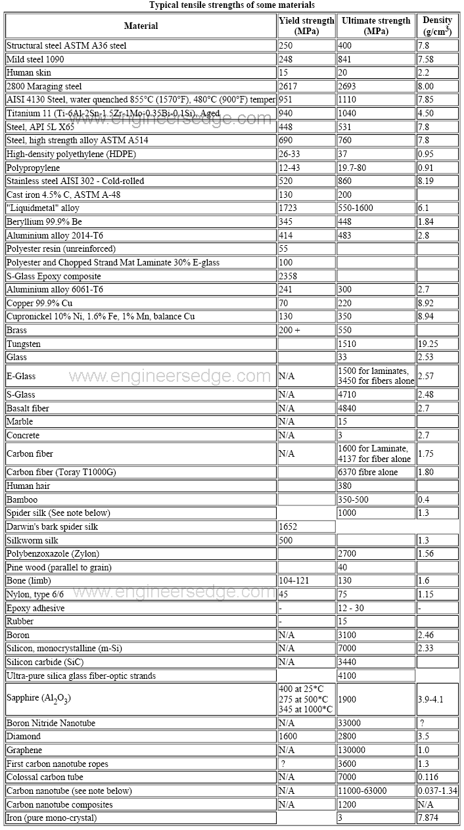
INPUT |  |  | OUTPUT |  |  | https://www.diva-portal.org/smash/get/diva2:532936/FULLTEXT01.pdf

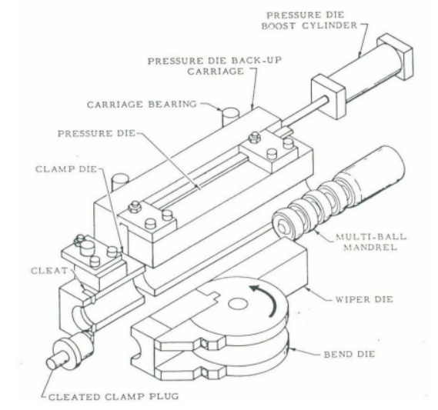
Dimension of Tube
Outer Diameter | mm | 60.5 | Section of Modulus | cm^3 | 7.3674155587
Wall Thickness | mm | 3.9 | Momen Inertia |  | 1.96335
Bending Radius | mm | 40 | Total Bending Moment | Nm | 4339.4446012
 |  |  | Gear Ratio |  | 0.05

 |  |  | Motor Torque | Nm | 216.97223006
Material Properties |  |  | Speed | rpm | 20
Yield Strength | N/mm^2 | 300
 |  |  | Motor Power | W | 454.63965732
 |  |  | Safety Factor |  | 2.5
 |  |  | Rated Motor Power | W | 1136.5991433
Machine Factor
Wiper Die | (0-1) | 0
Mandrel | (0-1) | 0 | Torque Nominal | Nm | 35
Support Die | (0-1) | 0 | Gear Ratio |  | 74.285714286
Booster | (0-1) | 0 | Safety Factor |  | 1.5
 |  |  | Gear Box Specs |  | 111.42857143

Dependent Parameters
k |  | 0.75901328273
i |  | 1.96335
Mn |  | 4339.4446012
Wip_eff |  | 0
Mand_eff |  | 0
Supp_eff |  | 0
Boos_eff |  | 0

1N/mm^2 = 1 Mpa

Linear Moving
INPUT |  |  | OUTPUT |  |  | https://www.sz-windrive.com/en/industry-news/134

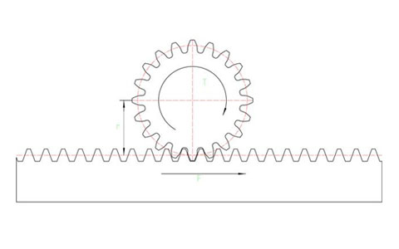
Movement Specs
Max Speed | m/s | 20 | Driving Force | N | 13818.315789
Acceleration time | s | 1 | Driving Torque | Nm | 345.45789474
Acceleration | m/s^2 | 20 | Gear Ratio |  | 0.1

 |  |  | Motor Torque |  | 34.545789474
Machine Parameter |  |  | Speed | rpm | 200
Safety Factor |  | 0.02
Mass | kg | 650 | Motor Power | W | 723.86617789
Rack Radius | mm | 25 | Safety Factor |  | 2.5
Efficency |  | 95% | Rated Motor Power | W | 1809.6654447

Collet Moving
INPUT |  |  | OUTPUT |  |  | https://www.youtube.com/watch?app=desktop&v=5ZXBESJCqXs

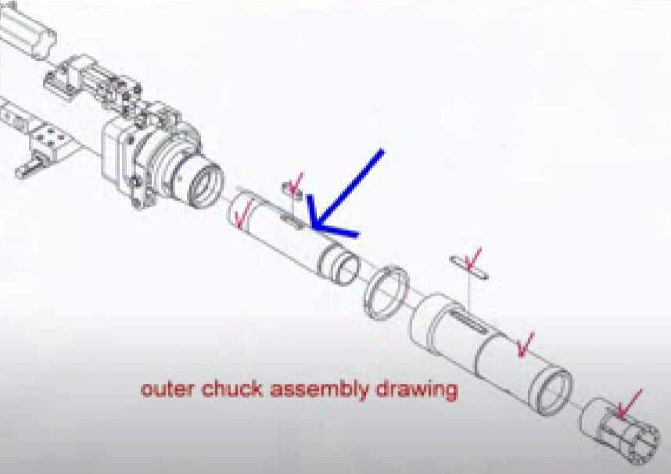
Movement Specs
Max Speed | rpm | 200 | Driving Torque | Nm | 17.230769231
Acceleration time | s | 1 | Pulley Ratio |  | 0.8
Acceleration | m/s^2 | 200 | Gear Ratio |  | 0.5

 |  |  | Motor Torque |  | 6.8923076923
Machine Parameter
Safety Factor |  | 0.05
Collet Tube Mass | kg | 350 | Motor Power | W | 144.42015951
Collet Tube Radius | mm | 40 | Safety Factor |  | 2.5
Efficency |  | 65% | Rated Motor Power | W | 361.05039877

